Sheet1
 | Document No. |  | Issue No. | Issue Date |  | Review and Replace Date |  | Authorised By
 | GFF320MC |  | 1 | 21.09.2021 |  | New Issue
 | Document Title |  | 4 Duck Spring Rolls 200g
 |  |  |  |  |  |  |  | Magda Shah
Document amendments reason for change | New document |  | Page 1 of 1 |  | Previous Issue Date |  | New Issue | Uncontrolled copy unless signed original

FDSRM-R20TDO |  | DONALD RUSSEL |  | 4 Duck Spring Rolls 200g | FROZEN

  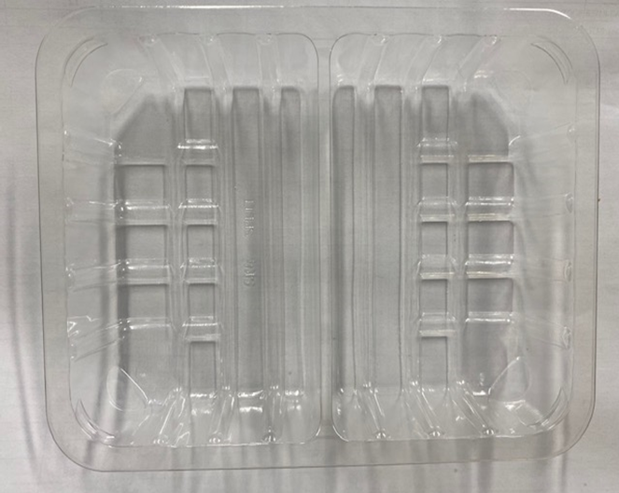 |  |  |  |  | 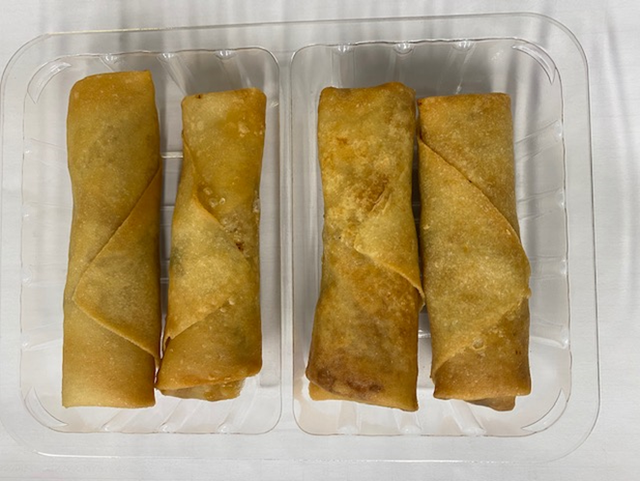

AFTER PACKING PRODUCT NEED TO BE SEND TO DISPATCH BLAST FREEZER

Tray: SK4 Split Clear (PKESS001-06) |  |  |  |  | Duck Spring Roll Medium 50g (GFF166R): 4 pieces
LINE 2: ME410AFV2, 410mm wide x 1000m linear PET Antifog WELD seal (PKRPO001-12) |  |  |  |  | Total Weight: 160g
ALLERGY ALERT: SOYA, WHEAT, SESAMA

